Unit testing
#1 - View is non-secure

#2 - View is accessible

#3 - Rec count check b/w table and View
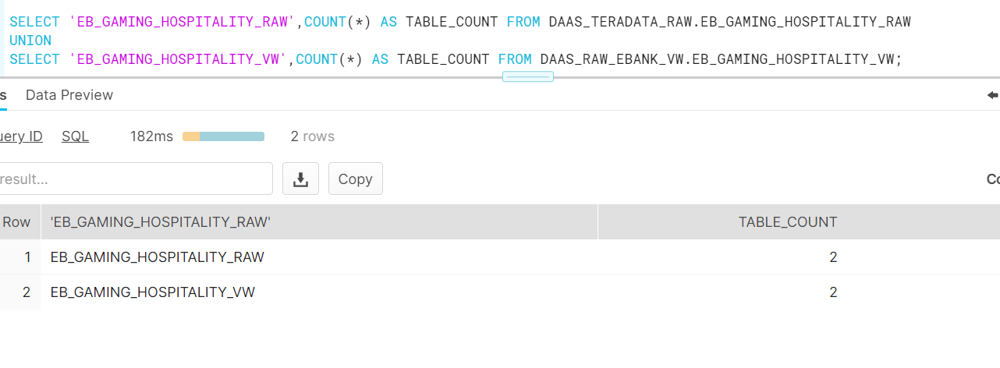

#4 - Validate all the GAMING_HOSPITALITY_TYPE are in the transaction table - DAAS_CORE.FUND_TRANSACTION_DETAIL_FACT or DAAS_CORE.FUND_TRANSACTION_SOURCE_DATA_FACT

All GAMING_HOSPITALITY_TYPE exists in DAAS_CORE.FUND_TRANSACTION_DETAIL_FACT

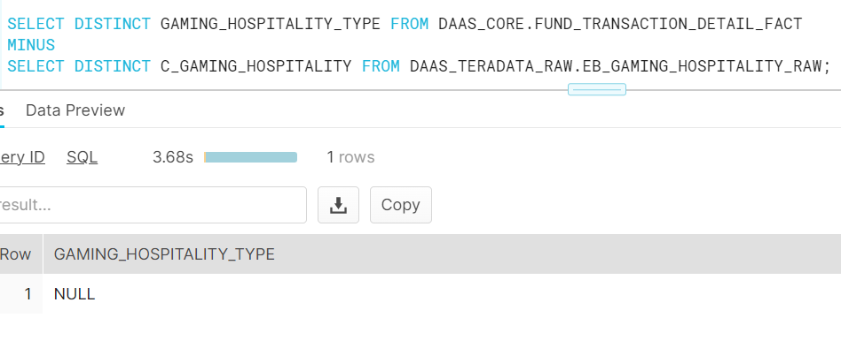

One sample
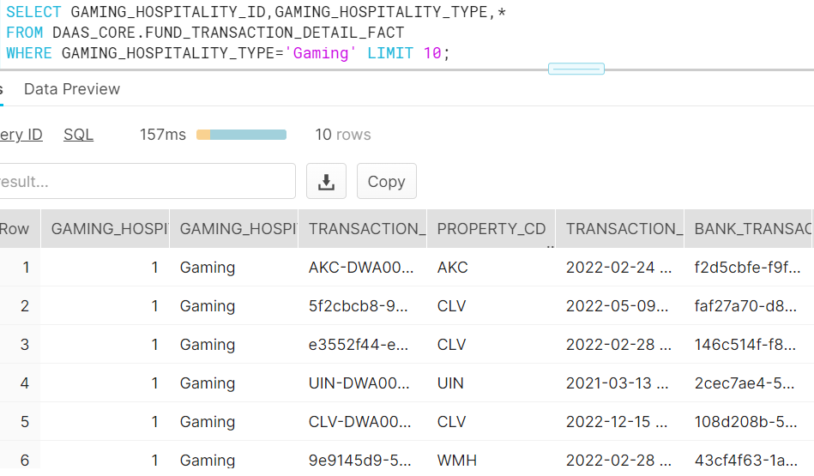

Corresponding value in base table

